Dashboard
Pizza Sales Dashboard

Order by Pizza Category
 | Total
Chicken | 94
Classic | 149
Supreme | 122
Veggie | 134
Top 10 Pizza by Quantity
 | Total
The Mexicana Pizza | 18
The Pepper Salami Pizza | 18
The Greek Pizza | 18
The Southwest Chicken Pizza | 18
The Hawaiian Pizza | 21
The Barbecue Chicken Pizza | 21
The Sicilian Pizza | 22
The Thai Chicken Pizza | 22
The Big Meat Pizza | 23
The Four Cheese Pizza | 25
The Pepperoni Pizza | 26
The Classic Deluxe Pizza | 30
Total Orders per Hour Trendline
 | Total
11 AM | 26
12 PM | 55
1 PM | 56
2 PM | 40
3 PM | 34
4 PM | 41
5 PM | 72
6 PM | 55
7 PM | 51
8 PM | 27
9 PM | 27
10 PM | 13
11 PM | 2
Total Sales | 8436

Total Order | 499

Total Quantity | 511

Sales by Pizza Size
 | Total
L | 47%
M | 27%
S | 22%
XL | 3%
Most Active Months - customer Orders
 | Total
May | 47
Jun | 54
Jul | 47
Aug | 51
Sep | 47

Pivot Charts
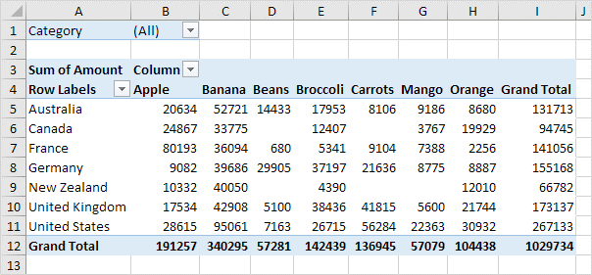

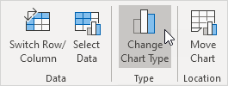

Macros
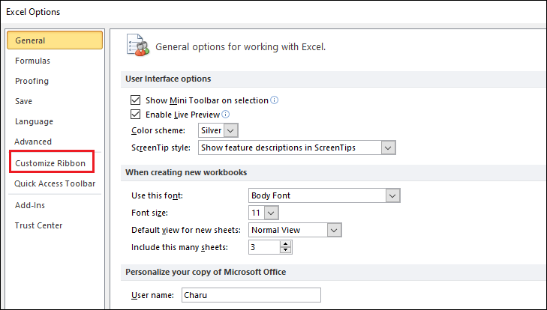
الماكرو في Excel هو أداة بتسمحلك تسجل سلسلة من الأوامر والإجراءات وتنفذها تلقائيًا فيما بعد بنقرة واحدة. الماكرو بيكون مفيد جدًا في حالة تكرار نفس المهام بشكل يومي أو دوري، لأنه بيوفر وقت وجهد كبير.

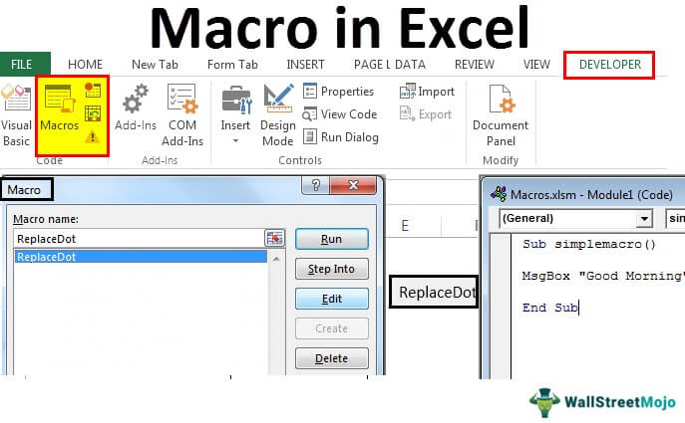
لتفعيل الماكرو في Excel، هتحتاج تتبع بعض الخطوات البسيطة:

1. إظهار التبويب "Developer":

الماكرو في Excel مربوط بالتبويب "Developer"، واللي مش بيكون ظاهر بشكل افتراضي. عشان تفعله:
اضغط على "File" في الشريط العلوي.
اختار "Options".
في نافذة Excel Options، اختار "Customize Ribbon".
هتلاقي في الجهة اليمين خانة اسمها "Main Tabs"، دور فيها على "Developer" وفعّلها بوضع علامة صح جنبها.
اضغط "OK" وهتلاقي التبويب "Developer" ظهر في الشريط العلوي.

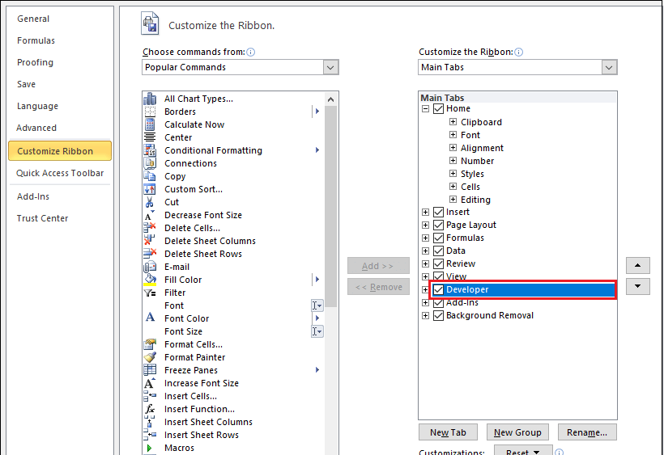
2. تسجيل ماكرو:

من التبويب "Developer"، اضغط على "Record Macro".
هيظهر لك نافذة تطلب منك تسمية الماكرو وتحديد مكان تخزينه، إما في هذا الملف فقط (This Workbook) أو في كل الملفات الجديدة (Personal Macro Workbook).
بعد ما تسميه وتحدد المكان، اضغط "OK".
دلوقتي أي خطوة بتعملها في Excel هتتسجل كجزء من الماكرو.

3. تشغيل الماكرو:

بعد ما تخلص تسجيل الماكرو، تقدر تشغله في أي وقت.
من التبويب "Developer"، اضغط على "Macros".
هتظهر لك نافذة فيها كل الماكروز المسجلة.
اختار الماكرو اللي عايز تشغله واضغط "Run".

4. تمكين إعدادات الماكرو:

لو فتحت ملف Excel يحتوي على ماكروز وكان الماكرو غير مفعل، هتحتاج تمكين الماكرو.
هيظهر لك شريط أصفر تحت الشريط العلوي بيقولك "Macros have been disabled".
اضغط على "Enable Content" لتفعيل الماكرو.

دلوقتي الماكرو مفعل عندك وتقدر تستخدمه لتسجيل وتنفيذ العمليات المتكررة بكل سهولة في Excel.

